Sheet1
 | Document No. | Issue No. | Issue Date |  | Review and Replace Date |  | Authorised By
 | GFF297MC | 2 | 30.07.2021 |  | 28.12.2021 |  | Magda Shah
 | Document Title | 2 Lancashire Cheese & Plum Chutney Parcel 300g
Document amendments reason for change | Film Updated |  |  | Page 1 of 1 | Previous Issue Date | 30.07.2021 | Uncontrolled copy unless signed original

CVLCPJP1-R1TEB | BOOTHS | 2 LANCASHIRE CHEESE & PLUM CHUTNEY PARCEL 300g
STEP 1 |  |  |  | STEP 2
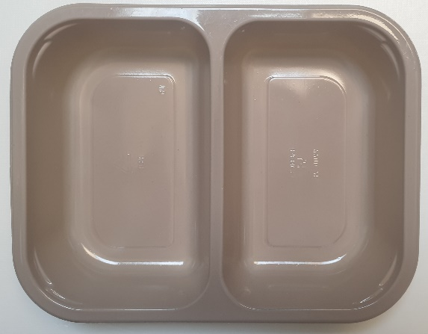 |  |  |  | 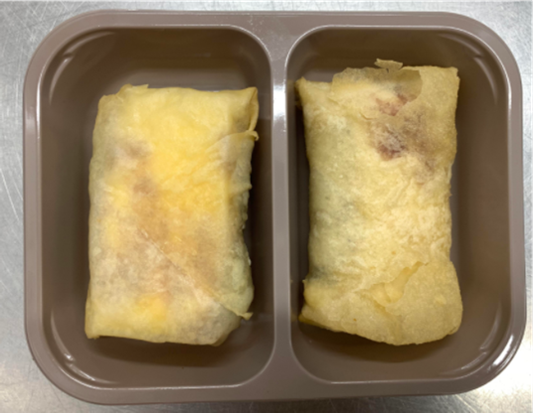

Tray: EVOLVE CPET 2200-2B (PKRHP001-11) |  |  |  | 2 x Lancashire Cheese & Plum Chutney Parcel (GFF372R) 2 x 150g

Film: K peel 7G+25A/f- 275mm (275 mmX1000)(PKKMP001-03)

STEP 3

TOTAL WEIGHT: 300g

ALLERGY ALERT: MILK, WHEAT

